Data
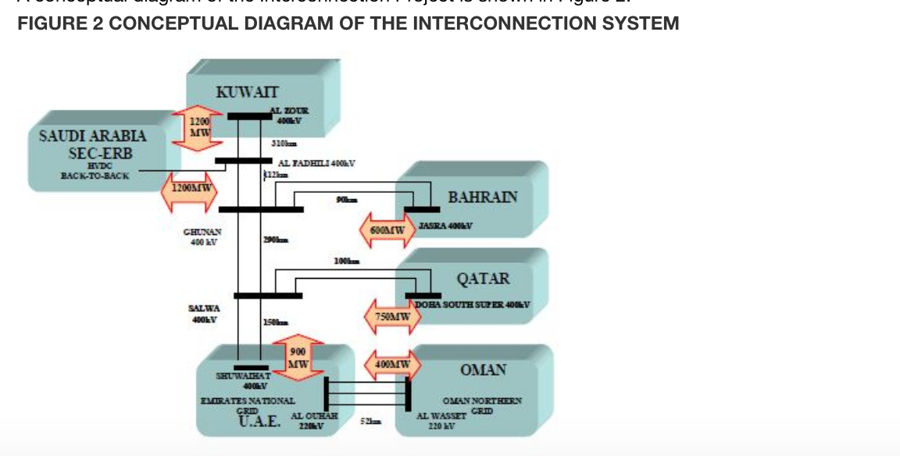
System | Size(MW)
Kuwait | 1200
Saudi Arabia | 1200
Bahrain | 600
Qatar | 750
UAE | 900
Oman | 400

